Datos
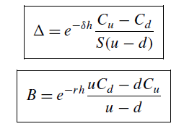
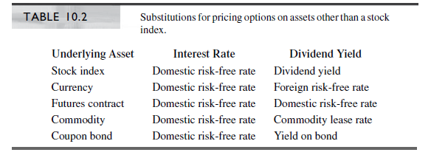
Binomial Price option model |  |  |  |  |  |  |  | 1
 |  |  |  |  |  |  |  | 0
E(1)/A(0) | 1 |  |  |  |  |  |  |  | 1) | Options on Stocks index use the same formulas
Call(1) Put (0) | 1
 |  |  |  |  |  |  |  |  | 2) | Options on Currencies
K strike price | 40 |  |  | u | 1.136903
S Stock price | 41 |  |  | d | 0.889904
r | 8.0% |  |  | p | 0.5000766233
σ | 30%
δ / rf | 0.0% |  |  | u | 1.145462 |  |  |  |  | rf = div | Foreign interest rate
T | 1 |  |  | d | 0.896604
n | 6 |  |  | p | 0.46941959417 |  |  |  |  | S | current exchange rate
sigma * raíz (h) | 0.12247 |  |  |  |  |  |  |  |  | K | Strike
up | 1.145462 |  |  | u | 1.130290 |  |  |  |  | r | dollar interest rate
down | 0.896604 |  |  | d | 0.884728
h | 0.166667 |  |  | p | 0.52408045049

 |  |  |  |  | u | exp(r-div)*h | d
 |  |  |  |  | 1.145462 | 1.0134 | 0.896604
 |  |  |  |  |  |  |  |  | 3) | Options on future contracts

Precio de la opción | - |  |  |  | 1.145462
Delta | 0 |  |  |  | 0.896604
Borrow | 0

Pricing an Option Using Real Probabilities

 |  | Risk neutral probability
 |  | p | 0.46941959417
 |  | 1-p | 0.53058040583

 |  | Risk neutral probability
 |  | α | 0.05
 |  | γ | #DIV/0!
 |  | p | 0.44910894047
 |  | 1-p | 0.55089105953

 |  |  | #DIV/0!

Gráfica
BS CRR JR Binomial
E(1)/A(0) | 1 |  | Binomial | 0.00037962542996 | Steps (n) | B-S | CRR | JR | Binomial | Min CRR | Min JR | Min Binomial
Call(1) Put (0) | 0 |  | CRR | 0.037160856051 | 1 | 13.1458939 | 16.8177 | 15.5818 | 16.8177 | 3.6718 | 2.4359 | 3.6718
 |  |  | Jarrow - Rudd | 0.0014903221575 | 2 | 13.1458939 | 11.3738 | 12.9138 | 12.4627 | 1.7721 | 0.2321 | 0.6832
K strike price | 100 |  |  |  | 3 | 13.1458939 | 14.3969 | 13.8309 | 14.3108 | 1.2510 | 0.6850 | 1.1649
S Stock price | 100 |  |  |  | 4 | 13.1458939 | 12.2111 | 13.2882 | 12.9952 | 0.9347 | 0.1423 | 0.1507
r | 0.05 |  | 1.0935646911 |  | 5 | 13.1458939 | 13.8932 | 13.4410 | 13.7932 | 0.7473 | 0.2951 | 0.6473
σ | 0.4 |  | 0.91444064361 |  | 6 | 13.1458939 | 12.5131 | 13.3598 | 13.1455 | 0.6328 | 0.2139 | 0.00038
δ / rf | 0 |  |  |  | 7 | 13.1458939 | 13.6779 | 13.2722 | 13.5722 | 0.5320 | 0.1263 | 0.4263
T | 1 |  |  |  | 8 | 13.1458939 | 12.6679 | 13.3710 | 13.2059 | 0.4780 | 0.2252 | 0.0600
n | 20 |  |  |  | 9 | 13.1458939 | 13.5587 | 13.1783 | 13.4499 | 0.4128 | 0.0324 | 0.3040
p | 0.477654 |  |  |  | 10 | 13.1458939 | 12.7620 | 13.3648 | 13.2339 | 0.3839 | 0.2189 | 0.0880
u | 1.096302 | 1.0442542583 | 1.091926 |  | 11 | 13.1458939 | 13.4831 | 13.1186 | 13.3724 | 0.3372 | 0.0273 | 0.2265
d | 0.916730 | 0.95762118477 | 0.913070 |  | 12 | 13.1458939 | 12.8251 | 13.3528 | 13.2476 | 0.3208 | 0.2069 | 0.1017
h | 0.050000 |  |  |  | 13 | 13.1458939 | 13.4308 | 13.0773 | 13.3188 | 0.2849 | 0.0686 | 0.1730
Binomial(K, S, T, rf, sigma, div, n, PC) |  |  |  |  | 14 | 13.1458939 | 12.8705 | 13.3391 | 13.2541 | 0.2754 | 0.1932 | 0.1082
 |  |  |  |  | 15 | 13.1458939 | 13.3926 | 13.0471 | 13.2797 | 0.2467 | 0.0988 | 0.1338
Binomial |  |  |  |  | 16 | 13.1458939 | 12.9046 | 13.3253 | 13.2567 | 0.2413 | 0.1794 | 0.1108
 |  |  |  |  | 17 | 13.1458939 | 13.3634 | 13.0239 | 13.2497 | 0.2175 | 0.1220 | 0.1039
 |  |  |  |  | 18 | 13.1458939 | 12.9312 | 13.3120 | 13.2570 | 0.2147 | 0.1661 | 0.1111
 |  |  |  |  | 19 | 13.1458939 | 13.3404 | 13.0057 | 13.2262 | 0.1945 | 0.1402 | 0.0803
 |  |  |  |  | 20 | 13.1458939 | 12.9525 | 13.2994 | 13.2560 | 0.1934 | 0.1535 | 0.1101
CRR(K, S, T, rf, sigma, n, PC) |  |  |  |  | 21 | 13.1458939 | 13.3218 | 12.9909 | 13.2071 | 0.1759 | 0.1550 | 0.0612
CRR |  |  |  |  | 22 | 13.1458939 | 12.9700 | 13.2876 | 13.2542 | 0.1759 | 0.1417 | 0.1083
 |  |  |  |  | 23 | 13.1458939 | 13.3064 | 12.9787 | 13.1913 | 0.1605 | 0.1672 | 0.0454
 |  |  |  |  | 24 | 13.1458939 | 12.9845 | 13.2765 | 13.2519 | 0.1614 | 0.1306 | 0.1060
 |  |  |  |  | 25 | 13.1458939 | 13.2935 | 12.9685 | 13.1781 | 0.1476 | 0.1774 | 0.0322
 |  |  |  |  | 26 | 13.1458939 | 12.9969 | 13.2662 | 13.2494 | 0.1490 | 0.1203 | 0.1035
 |  |  |  |  | 27 | 13.1458939 | 13.2826 | 13.0033 | 13.1669 | 0.1367 | 0.1426 | 0.0210
JR(K, S, T, rf, sigma, div, n, PC) |  |  |  |  | 28 | 13.1458939 | 13.0075 | 13.2566 | 13.2466 | 0.1384 | 0.1107 | 0.1008
JR |  |  |  |  | 29 | 13.1458939 | 13.2731 | 13.0319 | 13.1572 | 0.1272 | 0.1140 | 0.0113
 |  |  |  |  | 30 | 13.1458939 | 13.0167 | 13.2476 | 13.2439 | 0.1292 | 0.1017 | 0.0980
 |  |  |  |  | 31 | 13.1458939 | 13.2649 | 13.0555 | 13.1487 | 0.1190 | 0.0904 | 0.0028
 |  |  |  |  | 32 | 13.1458939 | 13.0247 | 13.2392 | 13.2411 | 0.1212 | 0.0933 | 0.0952
 |  |  |  |  | 33 | 13.1458939 | 13.2576 | 13.0751 | 13.1413 | 0.1117 | 0.0708 | 0.0046
BSC(K, S, r, T, v, PC) |  |  |  |  | 34 | 13.1458939 | 13.0318 | 13.2312 | 13.2383 | 0.1141 | 0.0854 | 0.0924
BS |  |  |  |  | 35 | 13.1458939 | 13.2512 | 13.0916 | 13.1348 | 0.1053 | 0.0543 | 0.0111
 |  |  |  |  | 36 | 13.1458939 | 13.0381 | 13.2238 | 13.2355 | 0.1078 | 0.0779 | 0.0896
 |  |  |  |  | 37 | 13.1458939 | 13.2455 | 13.1055 | 13.1289 | 0.0996 | 0.0404 | 0.0170
 |  |  |  |  | 38 | 13.1458939 | 13.0438 | 13.2168 | 13.2328 | 0.1021 | 0.0709 | 0.0869
 |  |  |  |  | 39 | 13.1458939 | 13.2404 | 13.1173 | 13.1237 | 0.0945 | 0.0286 | 0.0222
 |  |  |  |  | 40 | 13.1458939 | 13.0489 | 13.2101 | 13.2302 | 0.0970 | 0.0642 | 0.0843
 |  |  |  |  | 41 | 13.1458939 | 13.2358 | 13.1273 | 13.1189 | 0.0899 | 0.0186 | 0.0270
 |  |  |  |  | 42 | 13.1458939 | 13.0535 | 13.2038 | 13.2276 | 0.0924 | 0.0580 | 0.0817
 |  |  |  |  | 43 | 13.1458939 | 13.2316 | 13.1358 | 13.1146 | 0.0857 | 0.0101 | 0.0313
 |  |  |  |  | 44 | 13.1458939 | 13.0577 | 13.1979 | 13.2251 | 0.0882 | 0.0520 | 0.0792
 |  |  |  |  | 45 | 13.1458939 | 13.2278 | 13.1431 | 13.1107 | 0.0819 | 0.0028 | 0.0352
 |  |  |  |  | 46 | 13.1458939 | 13.0615 | 13.1922 | 13.2227 | 0.0844 | 0.0463 | 0.0768
 |  |  |  |  | 47 | 13.1458939 | 13.2243 | 13.1493 | 13.1072 | 0.0784 | 0.0034 | 0.0387
 |  |  |  |  | 48 | 13.1458939 | 13.0650 | 13.1869 | 13.2204 | 0.0809 | 0.0410 | 0.0745
 |  |  |  |  | 49 | 13.1458939 | 13.2211 | 13.1547 | 13.1039 | 0.0752 | 0.0088 | 0.0420
 |  |  |  |  | 50 | 13.1458939 | 13.0682 | 13.1817 | 13.2181 | 0.0777 | 0.0358 | 0.0722
 |  |  |  |  | 51 | 13.1458939 | 13.2181 | 13.1592 | 13.1008 | 0.0722 | 0.0133 | 0.0451
 |  |  |  |  | 52 | 13.1458939 | 13.0712 | 13.1768 | 13.2159 | 0.0747 | 0.0309 | 0.0700
 |  |  |  |  | 53 | 13.1458939 | 13.2154 | 13.1631 | 13.0980 | 0.0695 | 0.0173 | 0.0479
 |  |  |  |  | 54 | 13.1458939 | 13.0740 | 13.1722 | 13.2138 | 0.0719 | 0.0263 | 0.0679
 |  |  |  |  | 55 | 13.1458939 | 13.2128 | 13.1665 | 13.0954 | 0.0670 | 0.0206 | 0.0504
 |  |  |  |  | 56 | 13.1458939 | 13.0765 | 13.1677 | 13.2117 | 0.0694 | 0.0218 | 0.0658
 |  |  |  |  | 57 | 13.1458939 | 13.2105 | 13.1693 | 13.0930 | 0.0646 | 0.0234 | 0.0529
 |  |  |  |  | 58 | 13.1458939 | 13.0789 | 13.1634 | 13.2097 | 0.0670 | 0.0175 | 0.0638
 |  |  |  |  | 59 | 13.1458939 | 13.2083 | 13.1717 | 13.0908 | 0.0624 | 0.0258 | 0.0551
 |  |  |  |  | 60 | 13.1458939 | 13.0811 | 13.1593 | 13.2078 | 0.0648 | 0.0134 | 0.0619
 |  |  |  |  | 61 | 13.1458939 | 13.2062 | 13.1737 | 13.0887 | 0.0604 | 0.0279 | 0.0572
 |  |  |  |  | 62 | 13.1458939 | 13.0832 | 13.1554 | 13.2059 | 0.0627 | 0.0095 | 0.0600
 |  |  |  |  | 63 | 13.1458939 | 13.2043 | 13.1754 | 13.0867 | 0.0584 | 0.0295 | 0.0592
 |  |  |  |  | 64 | 13.1458939 | 13.0852 | 13.1516 | 13.2040 | 0.0607 | 0.0057 | 0.0581
 |  |  |  |  | 65 | 13.1458939 | 13.2025 | 13.1768 | 13.0885 | 0.0566 | 0.0310 | 0.0574
 |  |  |  |  | 66 | 13.1458939 | 13.0870 | 13.1479 | 13.2023 | 0.0589 | 0.0020 | 0.0564
 |  |  |  |  | 67 | 13.1458939 | 13.2008 | 13.1780 | 13.0936 | 0.0549 | 0.0321 | 0.0523
 |  |  |  |  | 68 | 13.1458939 | 13.0887 | 13.1444 | 13.2005 | 0.0572 | 0.0015 | 0.0546
 |  |  |  |  | 69 | 13.1458939 | 13.1992 | 13.1789 | 13.0983 | 0.0533 | 0.0330 | 0.0476
 |  |  |  |  | 70 | 13.1458939 | 13.0904 | 13.1410 | 13.1989 | 0.0555 | 0.0049 | 0.0530
 |  |  |  |  | 71 | 13.1458939 | 13.1977 | 13.1796 | 13.1026 | 0.0518 | 0.0337 | 0.0433
 |  |  |  |  | 72 | 13.1458939 | 13.0919 | 13.1377 | 13.1972 | 0.0540 | 0.0081 | 0.0513
 |  |  |  |  | 73 | 13.1458939 | 13.1963 | 13.1802 | 13.1066 | 0.0504 | 0.0343 | 0.0393
 |  |  |  |  | 74 | 13.1458939 | 13.0934 | 13.1346 | 13.1957 | 0.0525 | 0.0113 | 0.0498
 |  |  |  |  | 75 | 13.1458939 | 13.1950 | 13.1805 | 13.1104 | 0.0491 | 0.0346 | 0.0355
 |  |  |  |  | 76 | 13.1458939 | 13.0947 | 13.1315 | 13.1941 | 0.0511 | 0.0144 | 0.0482
 |  |  |  |  | 77 | 13.1458939 | 13.1937 | 13.1808 | 13.1138 | 0.0478 | 0.0349 | 0.0321
 |  |  |  |  | 78 | 13.1458939 | 13.0961 | 13.1286 | 13.1926 | 0.0498 | 0.0173 | 0.0467
 |  |  |  |  | 79 | 13.1458939 | 13.1925 | 13.1809 | 13.1171 | 0.0466 | 0.0350 | 0.0288
 |  |  |  |  | 80 | 13.1458939 | 13.0973 | 13.1257 | 13.1912 | 0.0486 | 0.0202 | 0.0453
 |  |  |  |  | 81 | 13.1458939 | 13.1913 | 13.1809 | 13.1201 | 0.0454 | 0.0350 | 0.0258
 |  |  |  |  | 82 | 13.1458939 | 13.0985 | 13.1230 | 13.1898 | 0.0474 | 0.0229 | 0.0439
 |  |  |  |  | 83 | 13.1458939 | 13.1902 | 13.1808 | 13.1228 | 0.0443 | 0.0349 | 0.0230
 |  |  |  |  | 84 | 13.1458939 | 13.0996 | 13.1203 | 13.1884 | 0.0463 | 0.0256 | 0.0425
 |  |  |  |  | 85 | 13.1458939 | 13.1892 | 13.1806 | 13.1254 | 0.0433 | 0.0347 | 0.0204
 |  |  |  |  | 86 | 13.1458939 | 13.1007 | 13.1177 | 13.1870 | 0.0452 | 0.0282 | 0.0411
 |  |  |  |  | 87 | 13.1458939 | 13.1882 | 13.1803 | 13.1279 | 0.0423 | 0.0344 | 0.0180
 |  |  |  |  | 88 | 13.1458939 | 13.1017 | 13.1152 | 13.1857 | 0.0442 | 0.0307 | 0.0398
 |  |  |  |  | 89 | 13.1458939 | 13.1872 | 13.1800 | 13.1301 | 0.0413 | 0.0341 | 0.0157
 |  |  |  |  | 90 | 13.1458939 | 13.1027 | 13.1127 | 13.1844 | 0.0432 | 0.0332 | 0.0385
 |  |  |  |  | 91 | 13.1458939 | 13.1863 | 13.1796 | 13.1323 | 0.0404 | 0.0337 | 0.0136
 |  |  |  |  | 92 | 13.1458939 | 13.1036 | 13.1103 | 13.1832 | 0.0423 | 0.0356 | 0.0373
 |  |  |  |  | 93 | 13.1458939 | 13.1855 | 13.1791 | 13.1343 | 0.0396 | 0.0332 | 0.0116
 |  |  |  |  | 94 | 13.1458939 | 13.1045 | 13.1080 | 13.1820 | 0.0414 | 0.0379 | 0.0361
 |  |  |  |  | 95 | 13.1458939 | 13.1846 | 13.1786 | 13.1361 | 0.0387 | 0.0327 | 0.0098
 |  |  |  |  | 96 | 13.1458939 | 13.1054 | 13.1058 | 13.1808 | 0.0405 | 0.0401 | 0.0349
 |  |  |  |  | 97 | 13.1458939 | 13.1838 | 13.1780 | 13.1379 | 0.0379 | 0.0322 | 0.0080
 |  |  |  |  | 98 | 13.1458939 | 13.1062 | 13.1036 | 13.1796 | 0.0397 | 0.0423 | 0.0337
 |  |  |  |  | 99 | 13.1458939 | 13.1831 | 13.1774 | 13.1395 | 0.0372 | 0.0316 | 0.0064
 |  |  |  |  | 100 | 13.1458939 | 13.1070 | 13.1014 | 13.1785 | 0.0389 | 0.0445 | 0.0326

Recortes
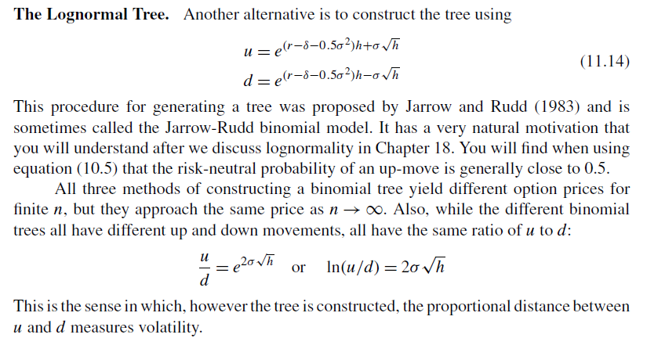
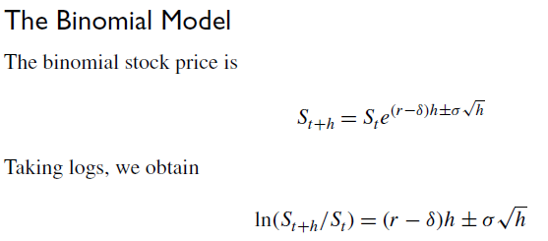

The Binomial model is simply a particular way to model the continously compounded return

